Sheet1
height (m) | dose rate (microsieverts/hr)
6301 | 0.25
6411 | 0.3
6610 | 0.35
6893 | 0.38
6990 | 0.42
7135 | 0.43
7227 | 0.45
7276 | 0.55
7420 | 0.61
7465 | 0.5
7595 | 0.54
7684 | 0.7
7784 | 0.85
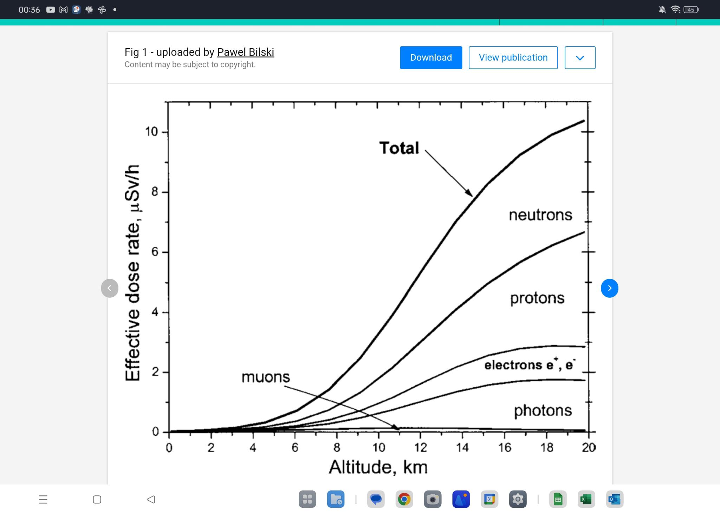
7894 | 0.77
8007 | 0.64
8139 | 0.5
8323 | 0.57
8883 | 0.75
8949 | 0.83
9021 | 0.85
9136 | 0.67
9248 | 0.8
9441 | 0.81
9518 | 0.82
9648 | 0.81
9841 | 0.83
10043 | 0.81
10092 | 1.05
10142 | 1.08
10191 | 0.93
10241 | 0.84
10309 | 0.98
10355 | 1.03
11585 | 1.4
11588 | 1.36
11590 | 1.23
12200 | 1.45
12200 | 1.53

 |  | Bilski, Pawel & Olko, Paweł & Horwacik, Tomasz. (2004). Air-crew exposure to cosmic radiation on board of Polish passenger aircraft. Nukleonika. 4. 77-83.

